Summary
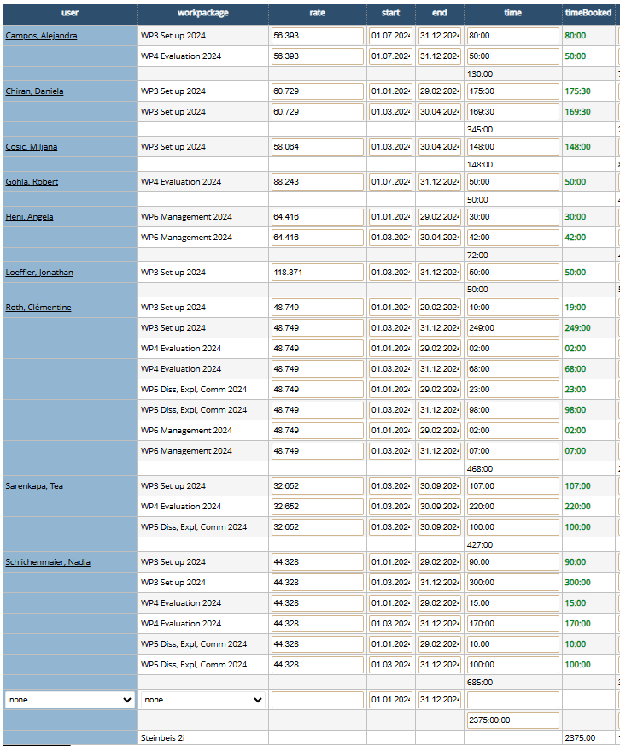
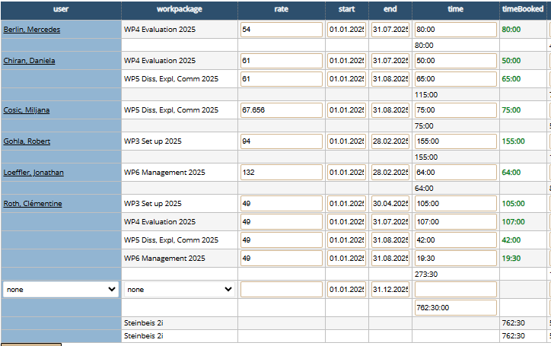
Employee | Hours Worked | Total Cost (EUR) | Avg Rate (EUR/h) | Entity
Clementine Roth | 827.77 | 39422.16 | 47.62 | 2017
Nadja Schlichenmaier | 678.88 | 27609.87 | 40.67 | 2017
Daniela Chiran | 451.73 | 22016.15 | 48.74 | 2017
Tea Sarenkapa | 451.3 | 14622.41 | 32.4 | 2017
Robert Gohla | 162.85 | 13009.94 | 79.89 | 2017
Miljana Cosic | 184.22 | 10421.13 | 56.57 | 2017
Jonathan Loeffler | 54.21 | 6912.42 | 127.52 | 2017
Astrid Alejandra Campos Cuellar | 130 | 5174.72 | 39.81 | 2017
Angela Heni | 73.04 | 4349.17 | 59.54 | 2017
Mercedes Berlin | 82.09 | 4259.4 | 51.89 | 2017
TOTAL | 3096.09 | 147797.37 | 47.736780908

s.sheet AACCampos
Only A.A.C.Campos hat the same hours as in our calculation, all the others have differences, because you took the whole 2024 year (instead only from March), and in TKS when I took the whole year 2024, there is still a difference compared to your calculation.
Total TKS h from March '24 to Aug '25: |  |  |  | 2771
Benjamin's result from Jan'24 to Aug '25: |  |  |  | 3096.09
Difference in project hours: |  |  |  | -325.09

Total TKS h from Jan '24 to Aug '25: |  |  |  | 3137.5
Benjamin's result from Jan'24 to Aug '25: |  |  |  | 3096.09
Difference in project hours: |  |  |  | 41.41

